Project
 | Critical Path Tracker |  |  |  |  |  |  |  |  |  |  |  |  |  | - Critical Path |  |  |  |  | - Non Critical Path |  |  |  |  | DIDx - Predecessors' ID
 |  |  |  |  |  |  |  |  |  |  |  |  |  | DY - Duration in Days |  |  |  |  | x | - Holiday

 |  | PROJECT START DATE | 1-Aug-17 |  |  |  | TODAY DATE | 15-Aug-17
 |  |  |  |  |  |  |  |  |  |  |  | Aug-17 | Aug-17 | Aug-17 | Aug-17 | Aug-17 | Aug-17 | Aug-17 | Aug-17 | Aug-17 | Aug-17 | Aug-17 | Aug-17 | Aug-17 | Aug-17 | Aug-17 | Aug-17 | Aug-17 | #VALUE!
 | ID* | Items* | DY* | DID1* | DID2* | Start Date | Early Start Date | Early End Date | Late Start Date | Late End Date | PERIODS | 6-Aug-17 | 7-Aug-17 | 8-Aug-17 | 9-Aug-17 | 10-Aug-17 | 11-Aug-17 | 12-Aug-17 | 13-Aug-17 | 14-Aug-17 | 15-Aug-17 | 16-Aug-17 | 17-Aug-17 | 18-Aug-17 | 19-Aug-17 | 20-Aug-17 | 21-Aug-17 | 22-Aug-17
 | 1 | Task 1 | 2 |  |  | 4-Aug-17 | 1-Aug-17 | 3-Aug-17 | 4-Aug-17 | 6-Aug-17
 | 2 | Task 2 | 1 | 1 |  | 4-Aug-17 | 4-Aug-17 | 5-Aug-17 | 5-Aug-17 | 6-Aug-17
 | 3 | Task 3 | 3 | 2 |  | 6-Aug-17 | 6-Aug-17 | 9-Aug-17 | 8-Aug-17 | 11-Aug-17
 | 4 | Task 4 | 3 | 3 |  | 10-Aug-17 | 10-Aug-17 | 13-Aug-17 | 13-Aug-17 | 16-Aug-17
 | 5 | Task 5 | 3 | 4 |  | 13-Aug-17 | 14-Aug-17 | 17-Aug-17 | 15-Aug-17 | 18-Aug-17
 | 6 | Task 6 | 1 | 5 |  | 16-Aug-17 | 18-Aug-17 | 19-Aug-17 | 20-Aug-17 | 21-Aug-17
 | 7 | Task 7 | 2 | 5 |  | 17-Aug-17 | 18-Aug-17 | 20-Aug-17 | 21-Aug-17 | 23-Aug-17
 | 8 | Task 8 | 3 | 5 |  | 19-Aug-17 | 18-Aug-17 | 21-Aug-17 | 19-Aug-17 | 22-Aug-17
 | 9 | Task 9 | 2 | 6 |  | 21-Aug-17 | 20-Aug-17 | 22-Aug-17 | 21-Aug-17 | 23-Aug-17

 |  | Project Completion Date |  |  |  |  |  | 22-Sep-17

Make beautiful timelines in PowerPoint for important meetings. |  |  |  |  |  |  |  |  |  |  |  | Download #1 Free timeline add-in for PowerPoint
 |  |  |  |  |  |  |  |  |  |  |  | www.officetimeline.com

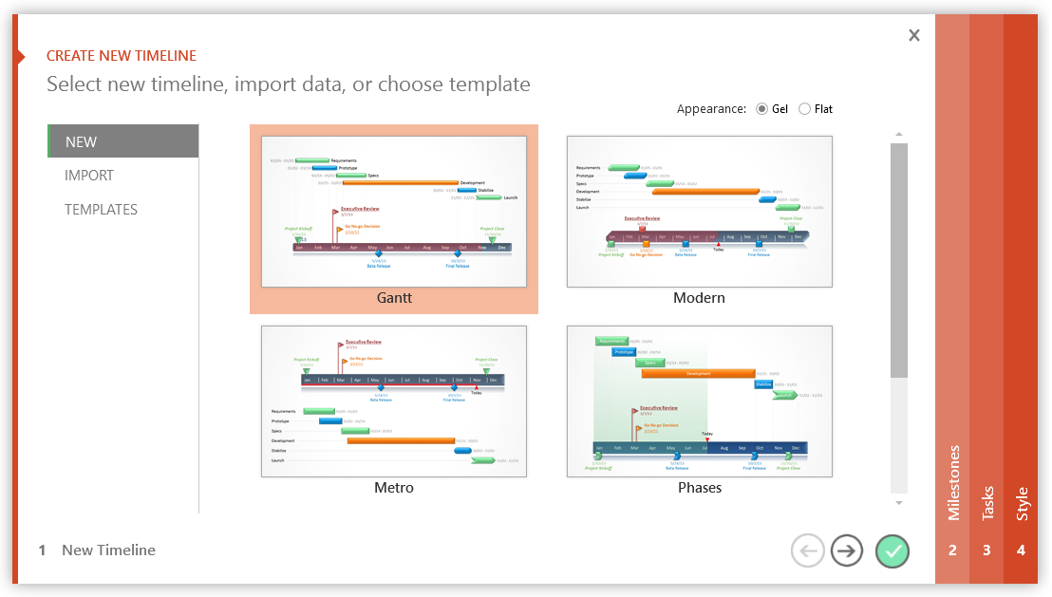

3 Easy steps to instantly turn Excel data into a PowerPoint slide
1. Download Office Timeline Plus Edition for PowerPoint.
2. Open PowerPoint and click on NEW Timeline from the Office Timeline tab inside of PowerPoint. Copy your Excel table paste it into Office Timeline Plus.
3. Click the green check mark to instantly produce you timeline slide.
...

